Topologia
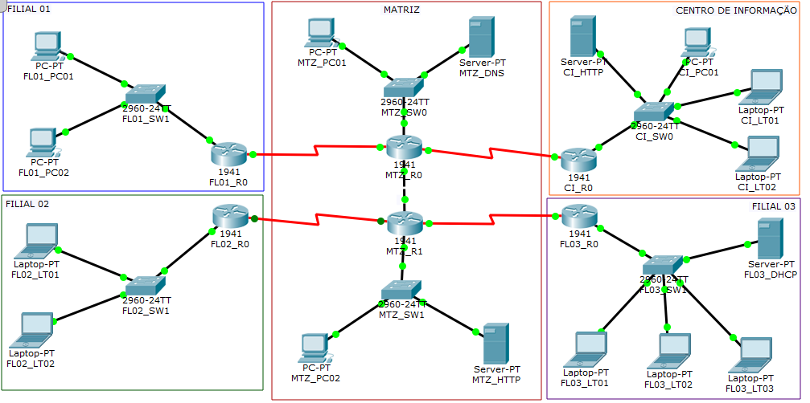
TOPOLOGIA DA REDE

